Fact and Figures
SELECT COUNT (DISTINCT country) AS number_of_countries FROM country

SELECT COUNT (DISTINCT customer_id) AS total_customers FROM customer WHERE active IS NOT NULL | 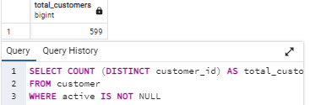

SELECT COUNT (DISTINCT payment_id) AS number_rentals
FROM payment

SELECT SUM(amount) AS total_payments
FROM payment;

SELECT COUNT (DISTINCT film_id) AS number_of_films
FROM film

Customers
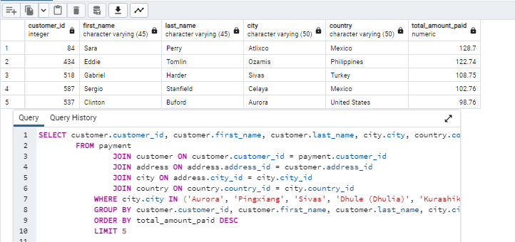
Top 10 cities in Top 10 Countries where the customers live
City | Country | Customers |  | SELECT city.city, country.country, COUNT(customer.customer_id) AS customer_count FROM customer JOIN address ON customer.address_id = address.address_id JOIN city ON address.city_id = city.city_id JOIN country ON country.country_id = city.country_id WHERE country.country IN ('India','China','United States','Japan','Mexico','Brezil','Russian Federation','Philippines','Turkey','Indonesia') GROUP BY city, country ORDER BY customer_count DESC LIMIT 10 |  | SELECT customer.customer_id, customer.first_name, customer.last_name, city.city, country.country, SUM(payment.amount) AS total_amount_paid FROM payment JOIN customer ON customer.customer_id = payment.customer_id JOIN address ON address.address_id = customer.address_id JOIN city ON address.city_id = city.city_id JOIN country ON country.country_id = city.country_id WHERE city.city IN ('Aurora', 'Pingxiang', 'Sivas', 'Dhule (Dhulia)', 'Kurashiki', 'Xintai', 'Adoni', 'Celaya', 'Ozamis', 'Atlixco') GROUP BY customer.customer_id, customer.first_name, customer.last_name, city.city, country.country ORDER BY total_amount_paid DESC LIMIT 5
Aurora | United States | 2
Pingxiang | China | 1
Sivas | Turkey | 1
Dhule (Dhulia) | India | 1
Kurashiki | Japan | 1
Xintai | China | 1
Adoni | India | 1
Celaya | Mexico | 1
Ozamis | Philippines | 1
Atlixco | Mexico | 1

Top 5 customers
customer id | first name | last name | city | country | total amount paid
84 | Sara | Perry | Atlixco | Mexico | 128.70
434 | Eddie | Tomlin | Ozamis | Philippines | 122.74
518 | Gabriel | Harder | Sivas | Turkey | 108.75
587 | Sergio | Stanfield | Celaya | Mexico | 102.76
537 | Clinton | Buford | Aurora | United States | 98.76

